Multi-family Conversion, Hud Ho
PROFORMA (Multi-family Conversion, HUD Housing) |  |  |  |  |  |  | Points of Reference | Distance in Miles
 |  |  |  |  |  |  | FWY 610 | 2
Number of Units | Bed | Bath | Stabilized Monthly Rent |  | Annual Total |  | FWY 59/69 | 3.8
18 | 1 | 1 | $1,063.00 |  | $229,608.00 |  | Minute Maid Park | 8.8
Total number of units: | 18 |  | $19,134.00 |  | $229,608.00 |  | Downtown | 9.1
 |  |  |  |  |  |  | Independence Heights | 9.2
Building sf | 5,760 |  |  |  |  |  | Discovery Green Park | 9.2
Land sf | 14,760 |  |  |  |  |  | Toyota Center | 9.2
 |  |  |  |  |  |  | The Heights | 9.9
PROFORMA Expenses |  |  | As stabilized summary |  |  |  | EADO | 9.9
 | Monthly | Annual |  |  |  |  | Midtown | 11
Water (Rebill Tenant) | $0.00 | $0.00 | Annual Gross INCOME | $229,608.00 |  |  | University of Houston | 12
Gas (Rebill Tenant) | $0.00 | $0.00 |  |  |  |  | Saint Thomas University | 12.1
Maintenance (Est) | $1,000.00 | $12,000.00 | Vacancy | $57,402.00 | 0.25 | Vacancy Rate | Museum District | 12.3
Trash (Est) | $300.00 | $3,600.00 | Effective income | $172,206.00 |  |  | Pasadena | 12.7
Insurance (Est) | $500.00 | $6,000.00 | Expenses | $40,376.48 |  |  | Hobby Airport | 13.1
Taxes (Est) | $416.67 | $5,000.00 | NOI | $131,829.52 |  |  | Rice University | 13.2
Mgmt (8% eff. Inc) | $1,148.04 | $13,776.48 | New valuation after repairs, rents raised | $1,982,398.80 |  |  | Memorial Park | 13.6
Tot Mo.Exp | $3,364.71 | $40,376.48 |  |  | 6.65% | CompMarket Cap Rate | Houston Zoo | 13.7
 |  |  | Per unit future worth | $110,133.27 |  |  | Texas Medical Center | 13.8
 |  |  | Price Per Sqft | $344.17 |  |  | Humble | 14.9
 |  |  |  |  |  |  | Intercontinental Airport | 16.2
 |  |  |  |  |  |  | The Galleria | 16.7
Future performance based on area information and surrounding operating motels. Buyer should carry out their own due diligence |  |  |  |  |  |  | NRG Stadium | 17.7
 |  |  |  |  |  |  | Baytown | 23.2
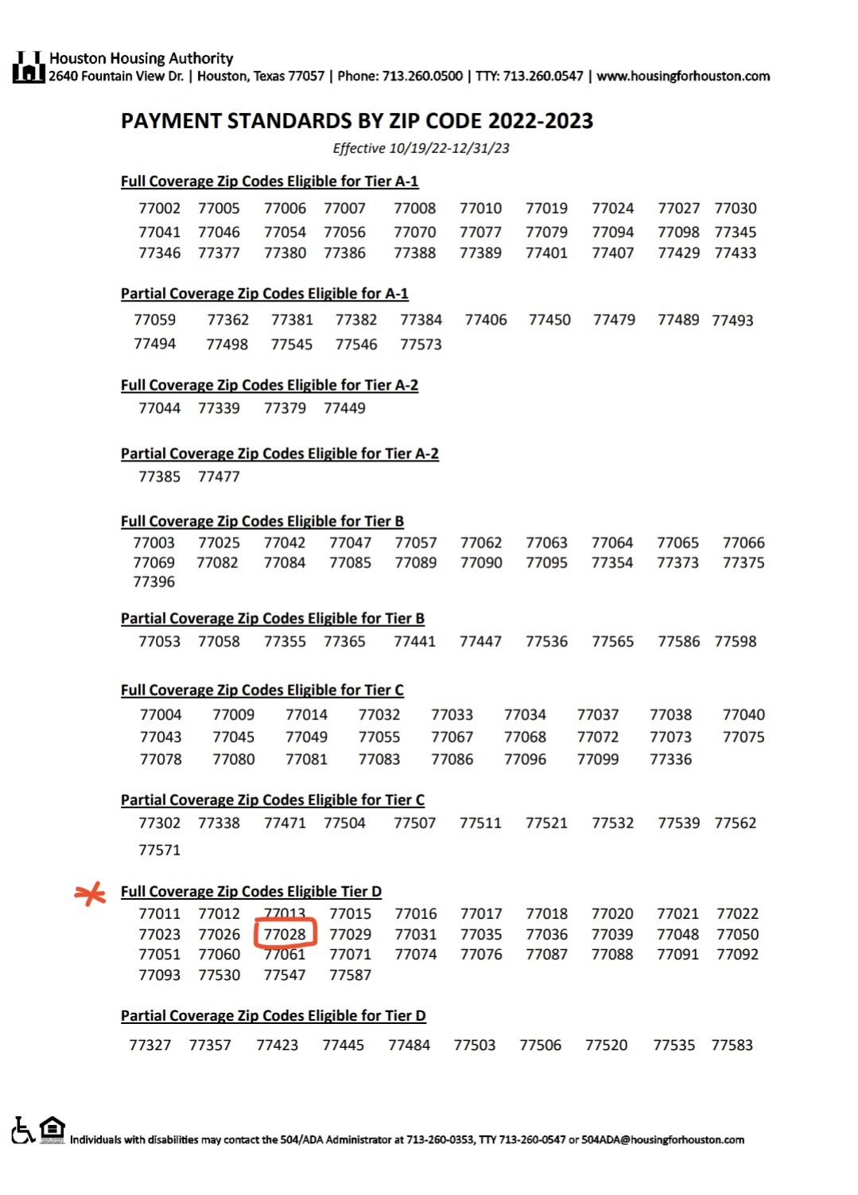
 |  |  |  |  |  |  | Spring TX | 24
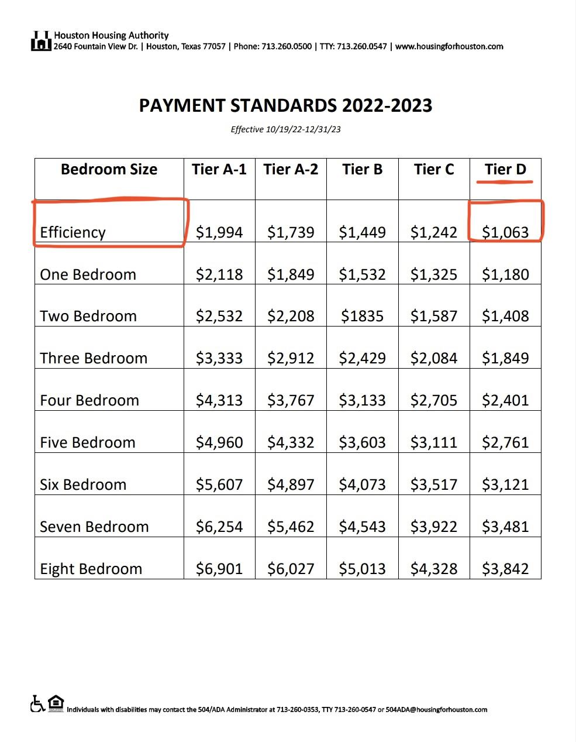
 |  |  |  |  |  |  | NASA | 29.7
 |  |  |  |  |  |  | Kemah | 32
 |  |  |  |  |  |  | The Woodlands | 32.8
 |  |  |  |  |  |  | Conroe TX | 42.4

